grain size analysis
before the flood (2009)
after the flood (2009)
mean
percent passing(%)
particle size (mm)
* grain-size distribution of bed material (2009) _ Grab sampler(60L)
particle size time | D35(mm) | D50(mm) | D65(mm) | D90(mm) | 균등계수 Coefficient of uniformity (Cu) | 곡률계수 Coefficient of curvature (Cg)
홍수전 (before the flood) | 5.15 | 15.31 | 34.88 | 64.84 | 47.39 | 0.21
홍수후(after the flood ) | 4.39 | 13.27 | 45.66 | 75.38 | 70.15 | 0.14
 |  | 14.29 | 40.27

before the flood (2010)
after the flood (2010)
mean
percent passing(%)
particle size (mm)
* grain-size distribution of bed material (2010) _ Grab sampler(60L)
particle size time | D35(mm) | D50(mm) | D65(mm) | D90(mm) | 균등계수 Coefficient of uniformity (Cu) | 곡률계수 Coefficient of curvature (Cg)
평군 (mean) | 3.13 | 8.08 | 15.11 | 18.79 | 12.97 | 0.31

before the flood (2011)
after the flood (2011)
mean
percent passing(%)
particle size (mm)
* grain-size distribution of bed material (2011) _ grid sampling(Hack_1947)
particle size time | D35(mm) | D50(mm) | D65(mm) | D90(mm) | 균등계수 Coefficient of uniformity (Cu) | 곡률계수 Coefficient of curvature (Cg)
평군 (mean) | 33.98 | 38.05 | 43.60 | 55.69 | 1.80 | 1.15

* grain-size distribution of bed material (2012) _ grid sampling(Hack_1947)

* particle size distribution of suspended sediment (2012) |  |  |  |  |  |  |  |  |  | * grain-size distribution of bed material (2012)

No | particle size distribution of suspended sediment (%) |  |  |  |  |  |  |  |  | particle size time | D10 | D30 | D35 | D60 | D65 | 균등계수 Coefficient of uniformity (Cu) | 곡률계수 Coefficient of curvature (Cg)
 | range (mm) |  |  |  |  |  |  |  | sum | 홍수전 (before the flood) | 0.22 | 0.61 | 0.70 | 1.34 | 1.56 | 2.20 | 1.24
 | 0.0020~ | 0.0222~ | 0.0313~ | 0.0423~ | 0.0626~ | 0.1251~ | 0.2501~ | 0.5001~ |  | 홍수후(after the flood ) | 0.12 | 0.17 | 0.18 | 0.23 | 0.24 | 1.35 | 1.03
 | 0.0221 | 0.0312 | 0.0422 | 0.0625 | 0.125 | 0.25 | 0.5 | 1 |  | 평균 (mean) | 0.14 | 0.21 | 0.23 | 0.76 | 0.88 | 3.62 | 0.42
1 | 42.3 | 17.3 | 21 | 10 | 7.1 | 1.1 | 0.7 | 0.5 | 100 | particle size time | D5 | D10 | D15 | D20 | D25 | D30 | D35 | D40 | D45 | D50 | D55 | D60 | D65 | D70 | D75 | D80 | D85 | D90 | D95 | D100
2 | 45.2 | 19.1 | 20.7 | 8.6 | 4.3 | 1.1 | 0.6 | 0.4 | 100 | 홍수전 (before the flood) | 0.15 | 0.22 | 0.31 | 0.43 | 0.50 | 0.61 | 0.70 | 0.79 | 0.87 | 0.96 | 1.12 | 1.34 | 1.56 | 1.81 | 2.05 | 2.56 | 3.07 | 3.61 | 5.71 | 16.00
3 | 46.5 | 17.7 | 18.9 | 10.5 | 4.2 | 1.1 | 0.8 | 0.3 | 100 | 홍수후 (after the flood ) | 0.10 | 0.12 | 0.13 | 0.15 | 0.16 | 0.17 | 0.18 | 0.19 | 0.20 | 0.21 | 0.22 | 0.23 | 0.24 | 0.27 | 0.35 | 0.65 | 0.94 | 1.67 | 3.42 | 16.00
4 | 42.8 | 20.4 | 21.7 | 8.8 | 3.9 | 1.1 | 0.8 | 0.5 | 100 | 평균 (mean) | 0.12 | 0.14 | 0.16 | 0.18 | 0.19 | 0.21 | 0.23 | 0.25 | 0.33 | 0.42 | 0.62 | 0.76 | 0.88 | 1.06 | 1.40 | 1.78 | 2.34 | 3.12 | 4.54 | 16.00
5 | 46.7 | 17.5 | 24 | 7.2 | 4 | 0.1 | 0.3 | 0.2 | 100
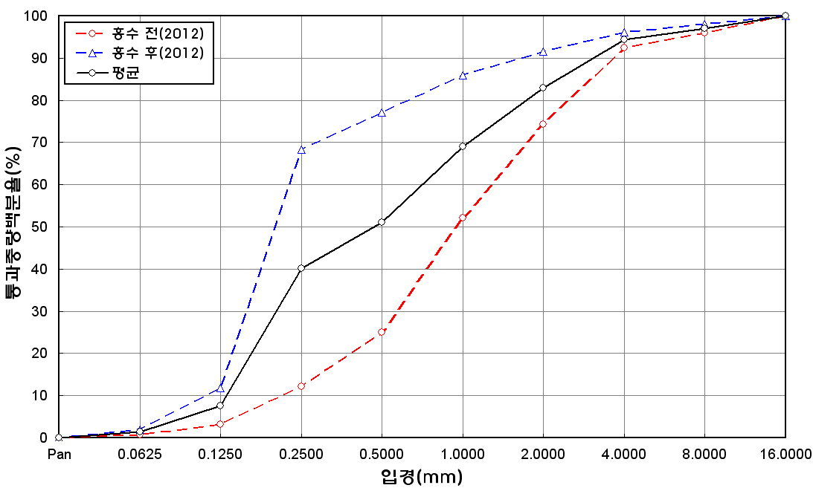
before the flood (2012)
after the flood (2012)
mean
percent passing(%)
particle size (mm)
6 | 48.6 | 12.5 | 21.6 | 9.4 | 7.4 | 0.2 | 0.2 | 0.1 | 100
7 | 41.3 | 16.8 | 21.7 | 7 | 9.7 | 2.3 | 1 | 0.2 | 100
8 | 40.2 | 10.7 | 17.4 | 11.7 | 16.8 | 3.1 | 0.1 | 0 | 100
9 | 45.9 | 21.1 | 23.5 | 4 | 5.5 | 0 | 0 | 0 | 100
10 | 49.3 | 20.4 | 22.3 | 3.9 | 3.6 | 0.1 | 0.2 | 0.2 | 100
11 | 47.1 | 24.6 | 20.5 | 5.3 | 2.4 | 0.1 | 0 | 0 | 100
12 | 43.8 | 17.9 | 22.8 | 11.3 | 3.8 | 0.2 | 0 | 0.2 | 100
13 | 45.5 | 14.7 | 20.4 | 12.9 | 5.8 | 0.2 | 0.4 | 0.1 | 100
14 | 45.9 | 18.6 | 23.4 | 9.1 | 2.7 | 0.1 | 0.1 | 0.1 | 100
15 | 48.8 | 18.2 | 22.8 | 6.5 | 3.2 | 0.2 | 0.2 | 0.1 | 100
16 | 46.1 | 19 | 23.7 | 7.6 | 3.2 | 0 | 0.1 | 0.3 | 100
17 | 50.6 | 15.4 | 20.9 | 8.3 | 3.8 | 0.4 | 0.5 | 0.1 | 100
18 | 44.9 | 16.1 | 25 | 10 | 3.9 | 0 | 0.1 | 0 | 100
19 | 45.9 | 14.5 | 27.2 | 12.3 | 0.1 | 0 | 0 | 0 | 100
20 | 44.6 | 14 | 23.6 | 11.1 | 5.4 | 0.6 | 0.5 | 0.2 | 100
21 | 45.3 | 18.4 | 25.4 | 6.8 | 3.3 | 0.3 | 0.3 | 0.2 | 100
22 | 45.4 | 17.6 | 24.8 | 7.9 | 3.9 | 0.1 | 0.2 | 0.1 | 100
23 | 44.4 | 16.1 | 24.7 | 10.2 | 4.5 | 0 | 0.1 | 0 | 100
24 | 44.2 | 16.9 | 25.9 | 8.6 | 4.1 | 0.2 | 0.1 | 0 | 100
25 | 49.1 | 13.3 | 23.7 | 9.3 | 4.5 | 0 | 0.1 | 0 | 100
min | 40.2 | 10.7 | 17.4 | 3.9 | 0.1 | 0 | 0 | 0 | -
max | 50.6 | 24.6 | 27.2 | 12.9 | 16.8 | 3.1 | 1 | 0.5 | -
mean | 45.6 | 17.2 | 22.7 | 8.7 | 4.8 | 0.5 | 0.3 | 0.2 | 100

* grain-size distribution of bed material (2014) _ grid sampling(Hack_1947)

* particle size distribution of suspended sediment (2014)_Laser Diffraction
 |  |  |  |  |  |  |  |  |  | * grain-size distribution of bed material (2014)_Sieve
No | particle size distribution of suspended sediment (%)
 | range (mm) |  |  |  |  |  |  |  |  | particle size time | D10 | D30 | D35 | D60 | D65 | 균등계수 Coefficient of uniformity (Cu) | 곡률계수 Coefficient of curvature (Cg)
 | 0.0020~ | 0.063~ | 0.126~ | 0.26~ | 0.51~ | 1.1~ | 2.1~ | 4.1~ |  | 홍수전 (before the flood) | 0.23 | 1.18 | 2.20 | 16.00 | 16.60 | 69.57 | 0.38
 | 0.062 | 0.125 | 0.25 | 0.5 | 1 | 2 | 4 | 8 |  | 홍수후(after the flood ) | 0.30 | 2.50 | 4.52 | 19.65 | 23.32 | 65.50 | 1.06
1 | 52.42 | 28.89 | 12.1 | 1.88 | 2.25 | 1.38 | 0.61 | 0 |  | 평균 (mean) | 0.27 | 1.84 | 3.36 | 17.83 | 19.96 | 67.26 | 0.72
2 | 73.66 | 13.98 | 7.31 | 1.06 | 0.19 | 0.38 | 0.21 | 0 |  | particle size time | D5 | D10 | D15 | D20 | D25 | D30 | D35 | D40 | D45 | D50 | D55 | D60 | D65 | D70 | D75 | D80 | D85 | D90 | D95 | D100
3 | 76.3 | 11.21 | 5.66 | 1.21 | 0.15 | 0 | 0 | 0 |  | 홍수전 (before the flood) | 0.16 | 0.23 | 0.33 | 0.48 | 0.65 | 1.18 | 2.20 | 4.00 | 6.40 | 9.60 | 12.80 | 16.00 | 16.60 | 17.50 | 17.80 | 18.40 | 19.00 | 27.50 | 38.25 | 75.00
4 | 75.86 | 11.64 | 5.98 | 1.31 | 0.11 | 0 | 0 | 0 |  | 홍수후 (after the flood ) | 0.17 | 0.30 | 0.50 | 0.86 | 1.28 | 2.50 | 4.52 | 7.47 | 10.17 | 12.60 | 15.56 | 19.65 | 23.32 | 27.15 | 31.94 | 38.10 | 43.97 | 51.48 | 61.91 | 90.00
5 | 73.21 | 13.72 | 6.4 | 1.96 | 0.33 | 0.07 | 0.04 | 0 |  | 평균 (mean) | 0.17 | 0.27 | 0.42 | 0.67 | 0.97 | 1.84 | 3.36 | 5.74 | 8.29 | 11.10 | 14.18 | 17.83 | 19.96 | 22.33 | 24.87 | 28.25 | 31.49 | 39.49 | 50.08 | 82.50
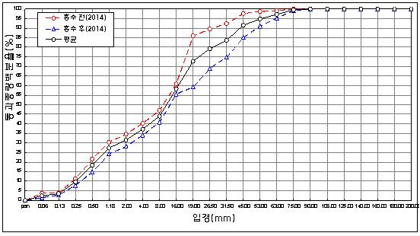
before the flood (2014)
after the flood (2014)
mean
percent passing(%)
particle size (mm)
6 | 72.87 | 13.36 | 6.68 | 2.24 | 0.57 | 0.03 | 0.01 | 0
7 | 76.4 | 13.2 | 4.93 | 0.98 | 0.16 | 0 | 0 | 0
8 | 76.14 | 13.86 | 4.75 | 1.13 | 0.44 | 0.05 | 0 | 0
9 | 75.29 | 14.15 | 5.16 | 1.56 | 0.5 | 0 | 0 | 0
10 | 77.66 | 12.33 | 4.38 | 1.27 | 0.45 | 0 | 0 | 0
11 | 80.49 | 8.59 | 3.34 | 0.6 | 0.24 | 0.27 | 0.13 | 0
12 | 81.42 | 8.04 | 2.83 | 0.47 | 0.08 | 0.01 | 0 | 0
13 | 75.61 | 11.25 | 5.62 | 1.03 | 0.33 | 0.18 | 0.08 | 0
14 | 80.96 | 8.43 | 3.24 | 1.01 | 0.13 | 0 | 0 | 0
15 | 81.32 | 12.41 | 3.93 | 0.73 | 0.14 | 0 | 0 | 0
16 | 80.83 | 10.4 | 4.79 | 1.24 | 0.16 | 0 | 0 | 0
17 | 85.63 | 7.41 | 2.72 | 1.09 | 0.54 | 0 | 0 | 0
18 | 73.54 | 17.58 | 6.21 | 1.06 | 0.08 | 0 | 0 | 0
19 | 77.25 | 14.42 | 5.04 | 1.21 | 0.05 | 0 | 0 | 0
20 | 78.5 | 13.28 | 4.45 | 1.23 | 0.05 | 0 | 0 | 0
21 | 81.81 | 11.08 | 3.71 | 0.32 | 0 | 0 | 0 | 0
mean | 75.31 | 13 | 5.49 | 1.23 | 0.4 | 0.16 | 0.07 | 0

